Ref. - Emp Dev Framework
About the Employee Development Framework
More evolved L&D functions are thinking in terms of the environment they must create in order to encourage and motivate employees to learn and develop. Rather than simply providing training or content, they are enabling employees to engage in a range of development behaviors. In our conversations with learning leaders and vendors, we identified: - 6 employee behaviors that L&D functions should enable - 2 core activities that L&D must do to keep the proverbial trains running These 8 elements comprise the Employee Development Framework (see below) that is the foundation for the analysis and questions in this workbook. Our intention is for you to use the Employee Development Framework and this workbook to understand what your org's current learning tech ecosystem looks like, where there's duplication, and what holes need to be filled. Note that the goal shouldn’t be to acquire every single functionality listed in the framework for your ecosystem. Instead, carefully consider what your org's employees need and what the org's culture will support. For an infographic with definitions of the behaviors, see the link in the cell below.
GO TO LEARNING TECH INFOGRAPHIC

Employee Development Framework

EXPERIENCE
ADMIN










Career Planning
Skills Tracking
Content Curation
Recommend-ation
Video Library
Content Libraries
Microlearning
LEP / LXP
MOOC / Cohort
Gamification
Video Practice
AR/VR
Project Marketplace
Mentoring / Coaching
Collaborative Learning
Expertise Directories
Performance Tracking
Enablement
Assessment
Back Office Training Mgt.
LMS
LCMS
LRS
Analytics
Content Creation
Extended Enterprise
Certification
Knowledge Repositories
Surveys & Evaluations

©2020 RedThread Research.
All Rights Reserved.

Gather Vendor Info
Gather Data on Vendors
The previous tab should have given you a more detailed understanding of your org's learning tech ecosystem and the possible gaps that need to be filled. This tab is intended to help you collect data about the vendors in the market that may fill those gaps. Some learning leaders consider it a key element of their job to maintain an ongoing awareness of the tech available inside their org and in the market. If these leaders don't maintain this awareness themselves, then they ensure the responsibility is specifically delegated to someone on their team. |  |  |  |  |  | 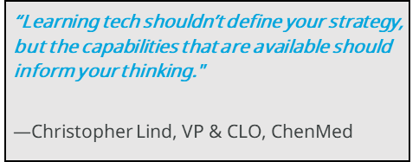
Instructions
1. This tab pulls the gaps you identified on the previous tab into Column A. 2. Conduct research on vendors that may fill these gaps. Great sources of information include RedThread's vendor landscape tool, Crunchbase, G2, and Gartner. Links are provided below to each of these resources. 3. Fill out the columns for each vendor you'd like to consider further. Add rows for more vendors as needed. 4. In columns I through K, rate each vendor 1, 2, or 3 based on how well they meet the given criteria. 5. The vendors with the highest total ratings form a "short list" and are probably the ones you'll want to reach out to for more info.
Sources of Vendor Information
RedThread Research Learning Tech Vendor Landscape Tool
Crunchbase
G2
Gartner

VENDOR DATA (Insert rows as needed)
Gap | Vendor Name (consider vendors that aren't "learning tech"--e.g., Zoom--as well as tech you may not need to pay for--e.g., YouTube or internal platforms) | Website | Description | Pros | Cons | Cost | Overall Rating | How well might this solution meet our org's needs? | How well might this solution fit our org's culture? | How well does this solution fit our budget?
[Gap 1] |  |  |  |  |  |  | 0
[Gap 1] |  |  |  |  |  |  | 0
[Gap 1] |  |  |  |  |  |  | 0
[Gap 2] |  |  |  |  |  |  | 0
[Gap 2] |  |  |  |  |  |  | 0
[Gap 2] |  |  |  |  |  |  | 0
[Gap 3] |  |  |  |  |  |  | 0
[Gap 3] |  |  |  |  |  |  | 0
[Gap 3] |  |  |  |  |  |  | 0
[Gap 4] |  |  |  |  |  |  | 0
[Gap 4] |  |  |  |  |  |  | 0
[Gap 4] |  |  |  |  |  |  | 0
[Gap 5] |  |  |  |  |  |  | 0
[Gap 5] |  |  |  |  |  |  | 0
[Gap 5] |  |  |  |  |  |  | 0
 |  |  |  |  |  |  | 0
 |  |  |  |  |  |  | 0
 |  |  |  |  |  |  | 0
 |  |  |  |  |  |  | 0
 |  |  |  |  |  |  | 0
 |  |  |  |  |  |  | 0
 |  |  |  |  |  |  | 0

Rate Vendors (if you have to)
Rate Vendors
We're not a fan of rating matrices ... but we know it's a required part of the procurement process in many orgs. Here are a few thoughts on rating vendors. 1. Align to business challenges. Create scenarios that describe what employees need to do to solve your most important business challenges. Ask vendors how they help solve those challenges. Rate the vendors' walk-throughs of the scenarios and answers to your questions according to how well they help your org solve those business challenges. Consider assigning a weight to each business challenge so that you can incorporate relative priorities into your ratings. 2. Use a simple scale. We've found that complex rating scales often create more confusion than clarity. We'd recommend rating each element on a 1-3 or 1-5 scale. 3. Involve key stakeholders. Refer to the Identify Stakeholders tab. It's likely that involving these stakeholders in the rating process will a) help you make a better decision and b) help gain their buy-in to the final choice. Instructions 1. On the Create Scenarios and Engage Vendors tabs (the previous 2 tabs), use the optional "Vendor Rating" columns. Ask key stakeholders (including yourself!) to rate each vendor according to how well they meet the criteria on each row of the 2 tabs. 2. If you do not want to link to business challenges or use weights, simply calculate the overall average rating for each vendor by averaging all the ratings for that vendor. See the formulas in cells B4, B5, and B6 on this tab. 3a. If you want to link each rating element directly to a business challenge, write up to 10 business challenges in Column A below. (Replace the text "Business Challenge 1," etc.) 3b. Go back to the Create Scenarios and Engage Vendors. In the "Business Challenge" column on those tabs, label each row with its relevant business challenge. Write exactly the same words you use in Column A on this tab, or the formulas will not work correctly. (You might refer to the EXAMPLE - LXP tabs. The LXP |  |  |  |  |  |  |  | 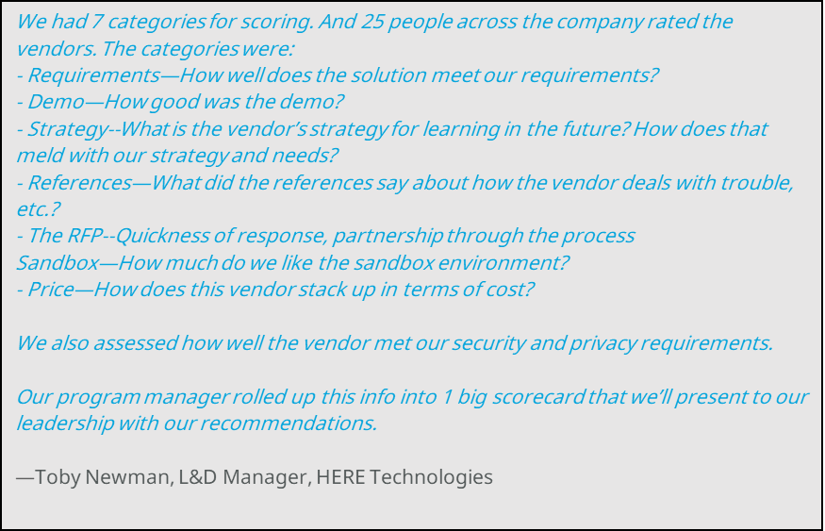

Option 1: Simple Average of Ratings by Vendor
Vendor 1 | #DIV/0!
Vendor 2 | #DIV/0!
Vendor 3 | #DIV/0!

Option 2: Rating Matrix with Business Challenges & Weights
Business Challenges to be solved | Weight | Unweighted Score - Vendor 1 | Unweighted Score - Vendor 2 | Unweighted Score - Vendor 3 | Weighted Score - Option 1 | Weighted Score - Option 2 | Weighted Score - Option 3
Business Challenge 1
Business Challenge 2
Business Challenge 3
Business Challenge 4
Business Challenge 5
Business Challenge 6
Business Challenge 7
Business Challenge 8
Business Challenge 9
Business Challenge 10
TOTAL SCORES | 100 | 0 | 0 | 0 | 0 | 0 | 0

